Insert
Pictures

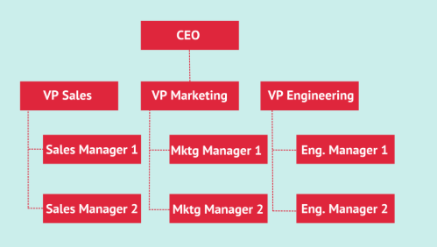
Shapes

Smart Art

Table

Sale Date | Product | Category | Quantity Sold | Sales Amount | Profit
1-Jan-24 | Laptop | Electronics | 5 | 300,000.00 | 50,000.00
5-Jan-24 | Smartphone | Electronics | 10 | 500,000.00 | 80,000.00
10-Jan-24 | Office Chair | Furniture | 8 | 80,000.00 | 20,000.00
15-Jan-24 | Desk | Furniture | 6 | 120,000.00 | 25,000.00
20-Jan-24 | Refrigerator | Appliances | 4 | 240,000.00 | 45,000.00
25-Jan-24 | Microwave | Appliances | 7 | 105,000.00 | 18,000.00
30-Jan-24 | Headphones | Accessories | 15 | 75,000.00 | 12,000.00
5-Feb-24 | Monitor | Electronics | 6 | 210,000.00 | 35,000.00
10-Feb-24 | Sofa Set | Furniture | 2 | 300,000.00 | 60,000.00
15-Feb-24 | Washing Machine | Appliances | 3 | 150,000.00 | 30,000.00

Charts | Pie Chart
 | Category | Sales Amount
 | Electronics | 1,250,000.00
 | Furniture | 875,000.00
 | Appliances | 690,000.00
 | Accessories | 430,000.00

 | Clustered Column

 | Month | North | South | East | West
 | 2025-01-24 | 300,000.00 | 280,000.00 | 250,000.00 | 260,000.00
 | 2025-02-24 | 350,000.00 | 300,000.00 | 270,000.00 | 280,000.00
 | 2025-03-24 | 380,000.00 | 340,000.00 | 300,000.00 | 310,000.00

 | Candlestick Chart
 | Date | Open (₹) | High (₹) | Low (₹) | Close (₹)
 | 12-Feb-24 | 1,500.00 | 1,550.00 | 1,480.00 | 1,520.00
 | 13-Feb-24 | 1,520.00 | 1,580.00 | 1,510.00 | 1,570.00
 | 14-Feb-24 | 1,570.00 | 1,600.00 | 1,560.00 | 1,585.00
 | 15-Feb-24 | 1,585.00 | 1,620.00 | 1,575.00 | 1,610.00
 | 16-Feb-24 | 1,610.00 | 1,650.00 | 1,600.00 | 1,635.00

